Chamber Measurments
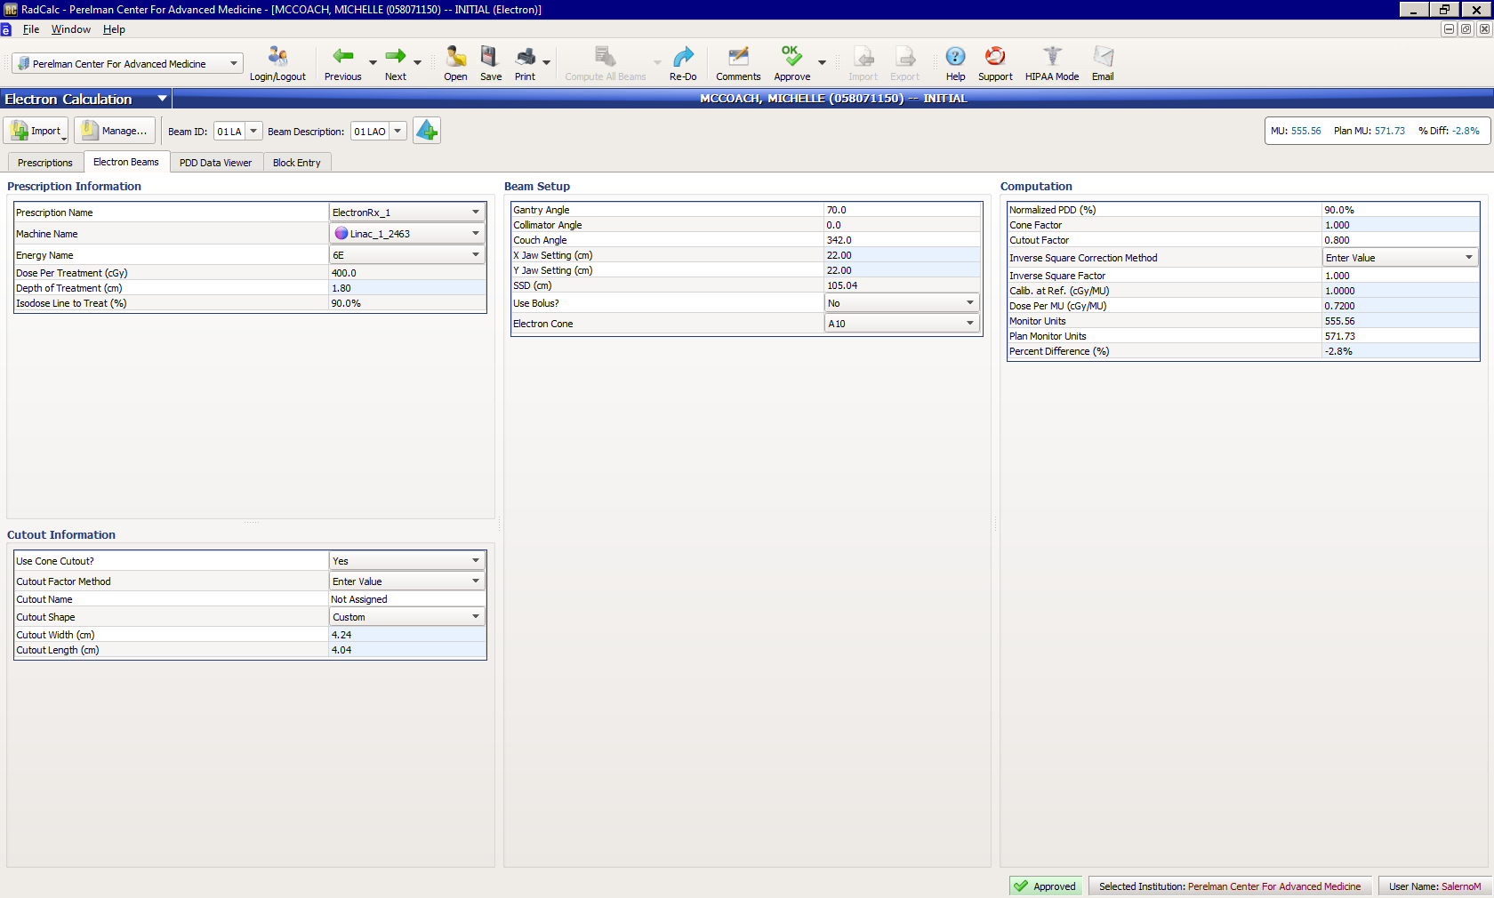
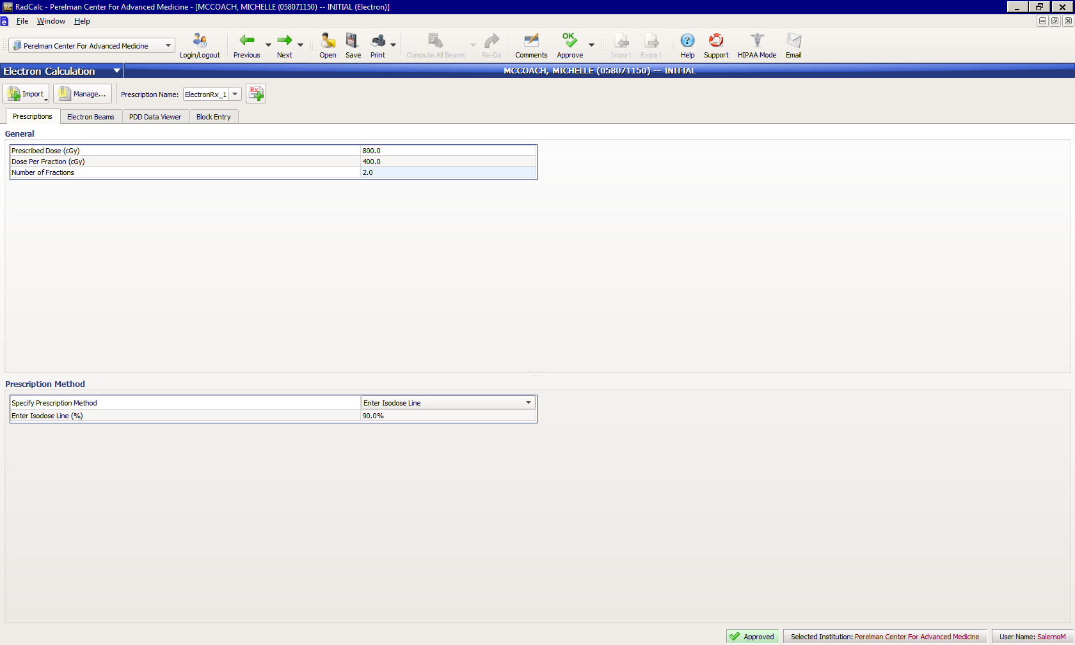
Open Field Measurements
SSD=100cm,10x10 cone, standard insert, 100 MU, 600 MU/min
6MeV
Depth of Measurement (cm) | Reading 1 | Reading 2
1.3 | 0.655 | 0.653
Cutout Measurements
SSD=105cm,10x10 cone, custom insert (4cm), 100 MU, 600 MU/min
6MeV
Search for Dmax
Depth of Measurement (cm) | Reading 1 | Reading 2
1.3 | 0.52 | 0.52
1.2 | 0.522 | 0.523
1.1 | 0.524 | 0.524
1 | 0.522 | 0.522

Chamber Readings vs Calculated Output Factor from Data Book
 | 6 MeV
Measured Output Factor | 0.80
Output from Data Book (6 MeV, 4cm cutout) | 0.983
SSD Correction Factor | 0.903 |  | %Diff
Calculated Output Factor | 0.89 |  | -9.69%

Eclipse Measurements
Eclipse dose (cGy) with 572 MU
6 MeV |  | Open Field at 1.5cm | Cutout at 1cm | Output factor | %Diff from Chamber Measurements
 |  |  |  | #DIV/0! | #DIV/0!

